Pack – EDA
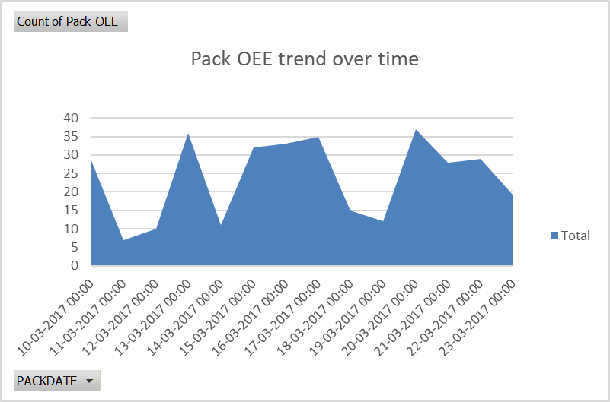
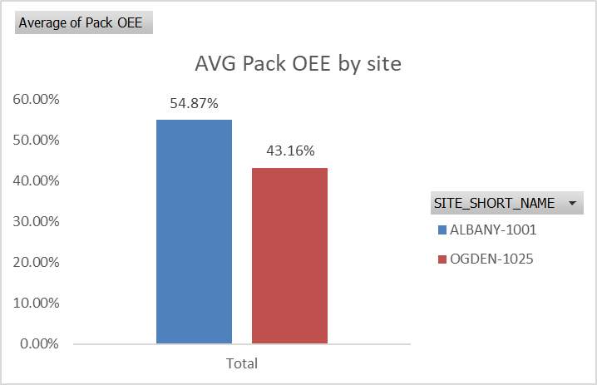
PACK DATASET – EXPLORATORY DATA ANALYSIS

📋 Column Definitions
Column | Data Type | Definition | Notes
SITE_SHORT_NAME | Text | Unique identifier for the manufacturing site | Primary join key across datasets
PRODUCT | Numeric/Text | Product code identifier | Used to link to Sales & Fills
PRODUCT_DESC | Text | Human-readable product description | 42 nulls present
LINE | Text | Packaging line identifier within the site | Multiple lines per site
PACKDATE | Date | Date of the packaging run | Range: Mar 10-23, 2017
GoodUnits | Float | Number of units that passed quality checks | 42 nulls — same records as PRODUCT_DESC
TargetUnits | Float | Planned/target unit count for the run | Baseline for OEE calculation
TotalUnits | Integer | Total units produced (good + defective) | Always populated
CalcDT | Float | Calculated downtime in minutes | Used in OEE formula
MinutesRun | Float | Total minutes the line was running | 0 values indicate idle/stopped line
Pack OEE | Float | Overall Equipment Effectiveness for packaging | Range 0–1 (105% max indicates data issue)

❓ Missing Values Analysis
Column | Missing Count | Missing % | Impact
SITE_SHORT_NAME | 0 | 0.0% | None
PRODUCT | 0 | 0.0% | None
PRODUCT_DESC | 42 | 12.6% | Medium
LINE | 0 | 0.0% | None
PACKDATE | 0 | 0.0% | None
GoodUnits | 42 | 12.6% | Medium
TargetUnits | 0 | 0.0% | None
TotalUnits | 0 | 0.0% | None
CalcDT | 0 | 0.0% | None
MinutesRun | 0 | 0.0% | None
Pack OEE | 0 | 0.0% | None

📊 Statistical Summary – Pack
Column | Count | Mean | Std Dev | Min | Median | Max | IQR | Skewness | Outliers (IQR)
GoodUnits | 291 | 1763.134 | 2856.622 | 98 | 929 | 28103 | 1241 | 5.48 | 28
TargetUnits | 333 | 2798.991 | 4785.462 | 0 | 1504 | 39000 | 2102 | 4.482 | 29
TotalUnits | 333 | 1570.838 | 2780.71 | 0 | 902 | 28853 | 1299 | 5.699 | 28
CalcDT | 333 | 50.113 | 75.042 | -12.571 | 21.667 | 414.48 | 48.545 | 2.851 | 29
MinutesRun | 333 | 112.526 | 150.43 | 0 | 60 | 1290 | 106 | 3.186 | 31
Pack OEE | 333 | 0.503 | 0.254 | 0 | 0.549 | 1.057 | 0.308 | -0.607 | 0

Mill – EDA
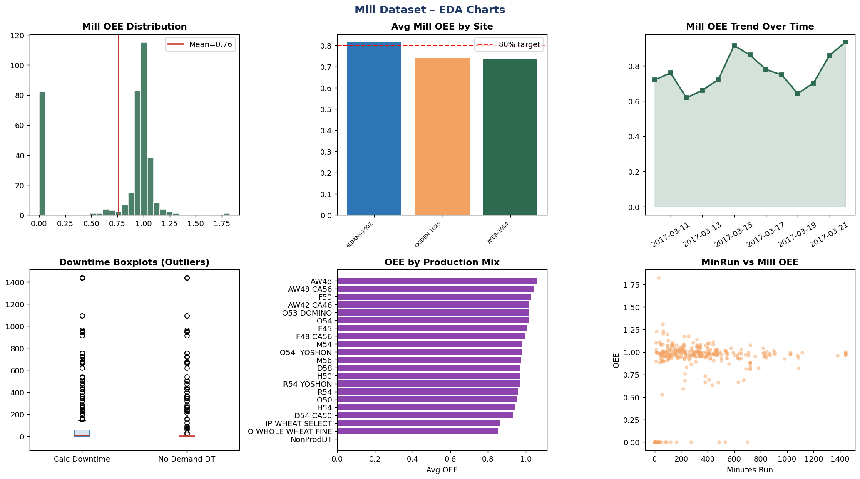
MILL DATASET – EXPLORATORY DATA ANALYSIS

📋 Column Definitions
Column | Data Type | Definition | Notes
SITE_SHORT_NAME | Text | Manufacturing site identifier | Joins to Pack, WorkOrder, BinCleaning
MILLDATE | Date | Date of the milling operation | Range: Mar 10-22, 2017
UNIT | Text | Mill unit identifier (A, B, C, etc.) | Multiple units per site
ProductionMix | Text | Type of production mix being milled | Categorical — affects OEE
Calculated Downtime | Float | Downtime calculated from sensor data (minutes) | 0 = no downtime recorded
MinRun | Float | Minutes the mill was running | Used in OEE denominator
NODemand Downtime | Float | Downtime attributed to no customer demand | Demand-driven downtime bucket
Mill OEE | Float | Overall Equipment Effectiveness for milling | Range 0–1.83 (values >1 are data anomalies)

❓ Missing Values Analysis
Column | Missing Count | Missing % | Impact
SITE_SHORT_NAME | 0 | 0.0% | None
MILLDATE | 0 | 0.0% | None
UNIT | 0 | 0.0% | None
ProductionMix | 0 | 0.0% | None
Calculated Downtime | 0 | 0.0% | None
MinRun | 0 | 0.0% | None
NODemand Downtime | 0 | 0.0% | None
Mill OEE | 0 | 0.0% | None

📊 Statistical Summary – Mill
Column | Count | Mean | Std Dev | Min | Median | Max | IQR | Skewness | Outliers (IQR)
Calculated Downtime | 367 | 120.621 | 280.926 | -54 | 7.364 | 1440 | 58.367 | 2.974 | 68
MinRun | 367 | 287.289 | 298.775 | 0 | 215 | 1440 | 369 | 1.489 | 14
NODemand Downtime | 367 | 103.853 | 279.891 | 0 | 0 | 1440 | 0 | 3.14 | 65
Mill OEE | 367 | 0.763 | 0.42 | 0 | 0.967 | 1.826 | 0.258 | -1.149 | 83

Sales – EDA
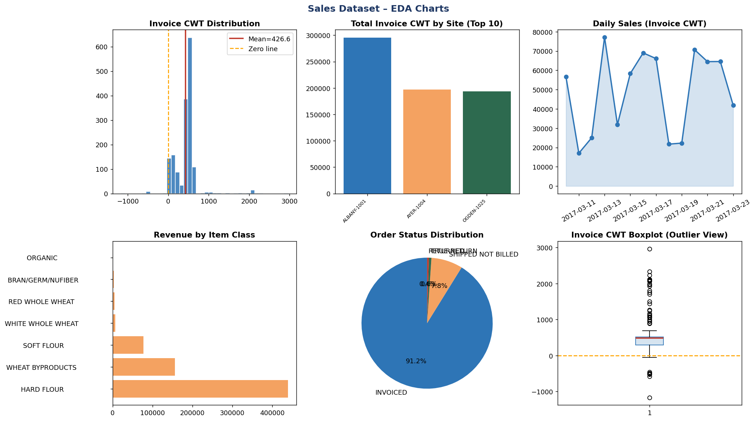
SALES DATASET – EXPLORATORY DATA ANALYSIS

📋 Column Definitions
Column | Data Type | Definition | Notes
SITE_SHORT_NAME | Text | Fulfilling site identifier | Links to Pack, Mill, Fills
ORDER_NO | Text/Numeric | Unique sales order number | Mix of numeric and alphanumeric
CUSTOMER_NM | Text | Customer name or identifier | Many unique customers
SHIP_DATE | Date | Date order was shipped | Range: Mar 10-23, 2017
ITEM_CLASS_DESC | Text | Product class/category description | Groups products into families
ITEM_NUM | Text/Numeric | Item/SKU number | Links to Pack PRODUCT field
ITEM_DESC | Text | Full item description | Detailed product name
ORDER_STATUS_INDICATOR | Text | Status of the order | Values: INVOICED, etc.
INVOICE_CWTS | Float | Invoice amount in hundredweight (CWT) | Negative values = returns/credits

❓ Missing Values Analysis
Column | Missing Count | Missing % | Impact
SITE_SHORT_NAME | 0 | 0.0% | None
ORDER_NO | 0 | 0.0% | None
CUSTOMER_NM | 0 | 0.0% | None
SHIP_DATE | 0 | 0.0% | None
ITEM_CLASS_DESC | 0 | 0.0% | None
ITEM_NUM | 0 | 0.0% | None
ITEM_DESC | 0 | 0.0% | None
ORDER_STATUS_INDICATOR | 0 | 0.0% | None
INVOICE_CWTS | 0 | 0.0% | None

📊 Statistical Summary – Sales
Column | Count | Mean | Std Dev | Min | Median | Max | IQR | Skewness | Outliers (IQR)
INVOICE_CWTS | 1610 | 426.573 | 293.614 | -1167.83 | 481.56 | 2965.73 | 227.5 | 2.432 | 54

WorkOrder – EDA
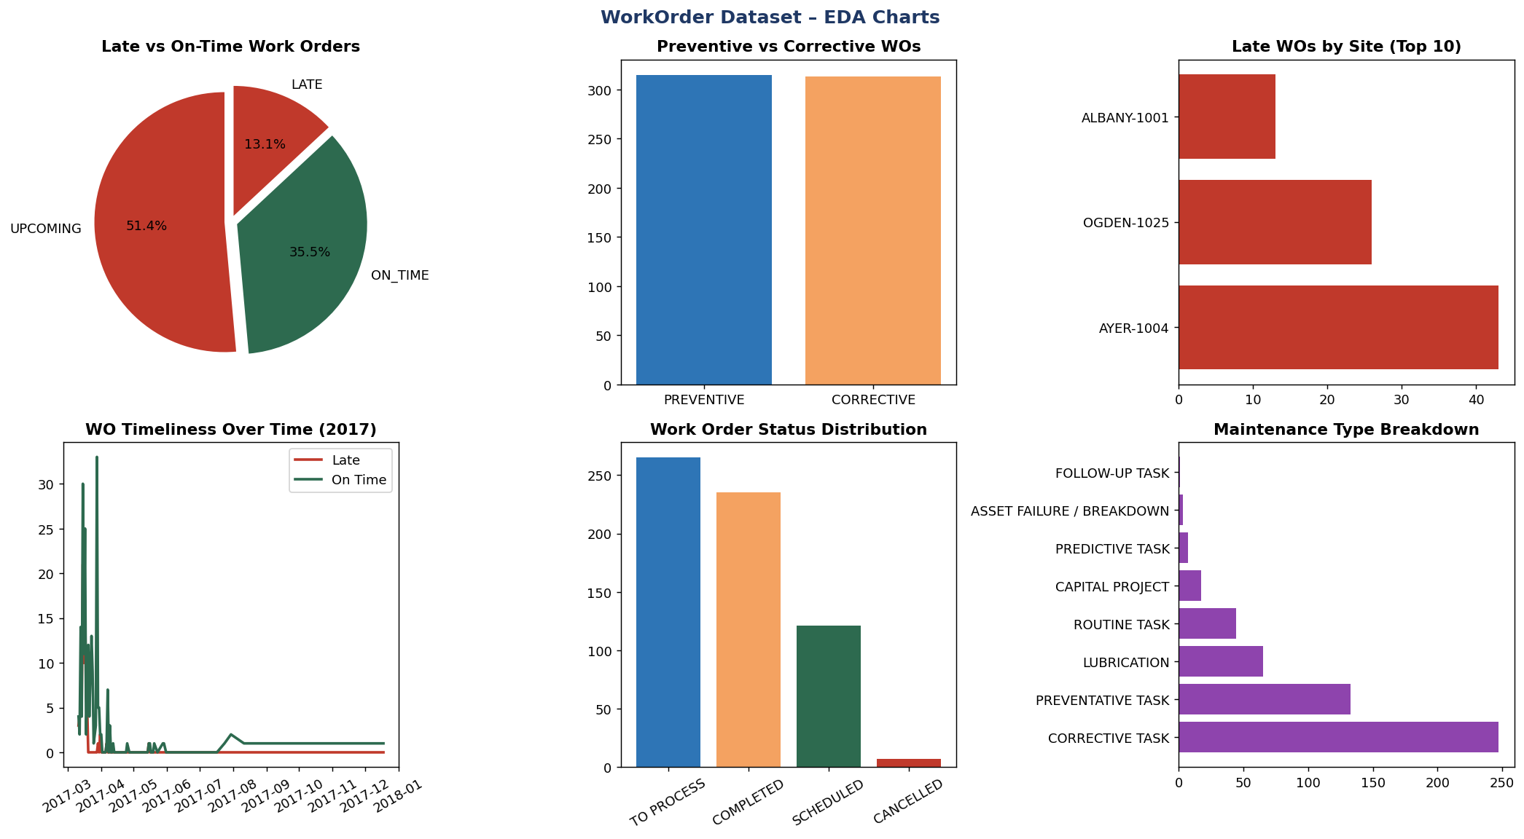
WORK ORDER DATASET – EXPLORATORY DATA ANALYSIS

📋 Column Definitions
Column | Data Type | Definition | Notes
SITE_SHORT_NAME | Text | Site where work order was issued | Links to all operational datasets
WO_NO | Text | Unique work order number | Primary key
MAINTENANCE_TYP | Text | Type of maintenance (Preventive/Corrective) | 111 nulls
CATEGORY_CD | Text | Maintenance category code | 54 nulls
STATUS_CD | Text | Current status of work order | OPEN, CLOSED, etc.
PREVENTIVE_CORRECTIVE_IND | Text | P=Preventive, C=Corrective indicator | Binary categorical
LATE_INDICATOR | Text | Y/N whether the WO was completed late | Key performance flag
REQUIRED_DATE | Date | Date the work order must be completed by | Range extends to 2020
WO_COUNT | Integer | Count of work orders (always 1 per record) | Row-level grain
WO_LATE_COUNT | Integer | 1 if WO was late, 0 otherwise | Binary flag
WO_ONTIME_COUNT | Integer | 1 if WO was on time, 0 otherwise | Complement of LATE_COUNT
WO_UPCOMING_COUNT | Integer | 1 if WO is upcoming/not yet due, 0 otherwise | Future scheduled work

❓ Missing Values Analysis
Column | Missing Count | Missing % | Impact
SITE_SHORT_NAME | 0 | 0.0% | None
WO_NO | 0 | 0.0% | None
MAINTENANCE_TYP | 111 | 17.7% | Medium
CATEGORY_CD | 54 | 8.6% | Medium
STATUS_CD | 0 | 0.0% | None
PREVENTIVE_CORRECTIVE_IND | 0 | 0.0% | None
LATE_INDICATOR | 0 | 0.0% | None
REQUIRED_DATE | 0 | 0.0% | None
WO_COUNT | 0 | 0.0% | None
WO_LATE_COUNT | 0 | 0.0% | None
WO_ONTIME_COUNT | 0 | 0.0% | None
WO_UPCOMING_COUNT | 0 | 0.0% | None

📊 Statistical Summary – WorkOrder
Column | Count | Mean | Std Dev | Min | Median | Max | IQR | Skewness | Outliers (IQR)
WO_COUNT | 628 | 1 | 0 | 1 | 1 | 1 | 0 | 0 | 0
WO_LATE_COUNT | 628 | 0.131 | 0.337 | 0 | 0 | 1 | 0 | 2.198 | 82
WO_ONTIME_COUNT | 628 | 0.355 | 0.479 | 0 | 0 | 1 | 1 | 0.607 | 0
WO_UPCOMING_COUNT | 628 | 0.514 | 0.5 | 0 | 1 | 1 | 1 | -0.057 | 0

BinCleaning – EDA
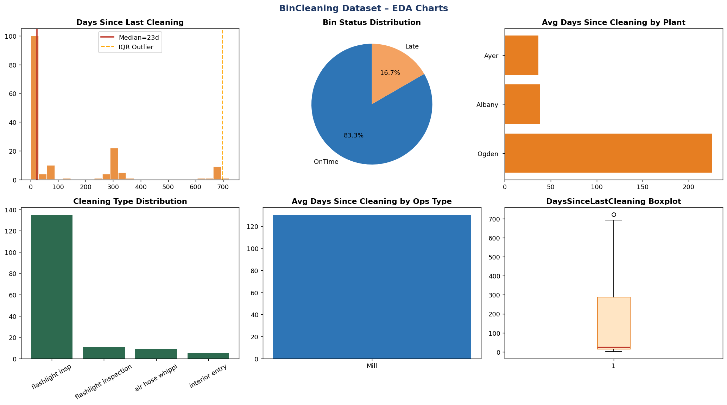
BIN CLEANING DATASET – EXPLORATORY DATA ANALYSIS

📋 Column Definitions
Column | Data Type | Definition | Notes
SHORTPLANTNAME | Text | Short name of plant/site | Links via name to SITE_SHORT_NAME in others
Bin_ID | Text | Unique identifier for the storage bin | Primary key
BinPurpose | Text | Intended use of the bin | 8 nulls
DaysSinceLastCleaning | Float | Days elapsed since bin was last cleaned | KEY: max 722 — critical safety flag
CleaningCompletedOn | Date | Date of last cleaning completion | 2 nulls
CleaningCompletedBy | Text | Person/team who performed the cleaning | 13 nulls
CleaningType_ID | Text | ID code for the type of cleaning | 10 nulls
BinStatus | Text | Current status of the bin | Active, Inactive, etc.
comments | Text | Free text comments | 154 nulls — mostly empty
CleaningType | Text | Full name of cleaning type | 2 nulls
CleanStandardInPlace | Float | Whether a cleaning standard is documented | Binary-like 0/1
CurrentCleaningStdFrequency | Integer | Frequency standard for cleaning (in days) | Compliance reference
OPS_TYPE | Text | Operations type (Mill/Pack) | Categorical
REGION | Text | Geographic/business region | East, West, etc.
PACKPLANT | Text | Packaging plant affiliation | Y/N indicator
COMPANY | Text | Company name | Should be Ardent Mills
COUNTRY_CD | Text | Country code | Expected: US
SITE_ID_OPS | Integer | Numeric site identifier | Joins to other datasets
LastRefreshTime | Datetime | Last data refresh timestamp | Data freshness indicator
Status_AsOf_Date | Datetime | Status snapshot datetime | 2017-03-23
Status_AsOf_Date_1stofweek | Date | Week-start date of status snapshot | 2017-03-19

❓ Missing Values Analysis
Column | Missing Count | Missing % | Impact
SHORTPLANTNAME | 0 | 0.0% | None
Bin_ID | 0 | 0.0% | None
BinPurpose | 8 | 4.9% | Low
DaysSinceLastCleaning | 2 | 1.2% | Low
CleaningCompletedOn | 2 | 1.2% | Low
CleaningCompletedBy | 13 | 8.0% | Medium
CleaningType_ID | 10 | 6.2% | Medium
BinStatus | 0 | 0.0% | None
comments | 154 | 95.1% | High
CleaningType | 2 | 1.2% | Low
CleanStandardInPlace | 2 | 1.2% | Low
CurrentCleaningStdFrequency | 0 | 0.0% | None
OPS_TYPE | 0 | 0.0% | None
REGION | 0 | 0.0% | None
PACKPLANT | 0 | 0.0% | None
COMPANY | 0 | 0.0% | None
COUNTRY_CD | 0 | 0.0% | None
SITE_ID_OPS | 0 | 0.0% | None
LastRefreshTime | 0 | 0.0% | None
Status_AsOf_Date | 0 | 0.0% | None
Status_AsOf_Date_1stofweek | 0 | 0.0% | None

📊 Statistical Summary – BinCleaning
Column | Count | Mean | Std Dev | Min | Median | Max | IQR | Skewness | Outliers (IQR)
DaysSinceLastCleaning | 160 | 130.475 | 195.212 | 1 | 23 | 722 | 272.75 | 1.787 | 1
CleanStandardInPlace | 160 | 30 | 0 | 30 | 30 | 30 | 0 | 0 | 0
CurrentCleaningStdFrequency | 162 | 127.809 | 144.512 | 30 | 30 | 365 | 335 | 1.008 | 0
SITE_ID_OPS | 162 | 1013.704 | 11.381 | 1001 | 1014.5 | 1025 | 24 | -0.026 | 0

Fills – EDA
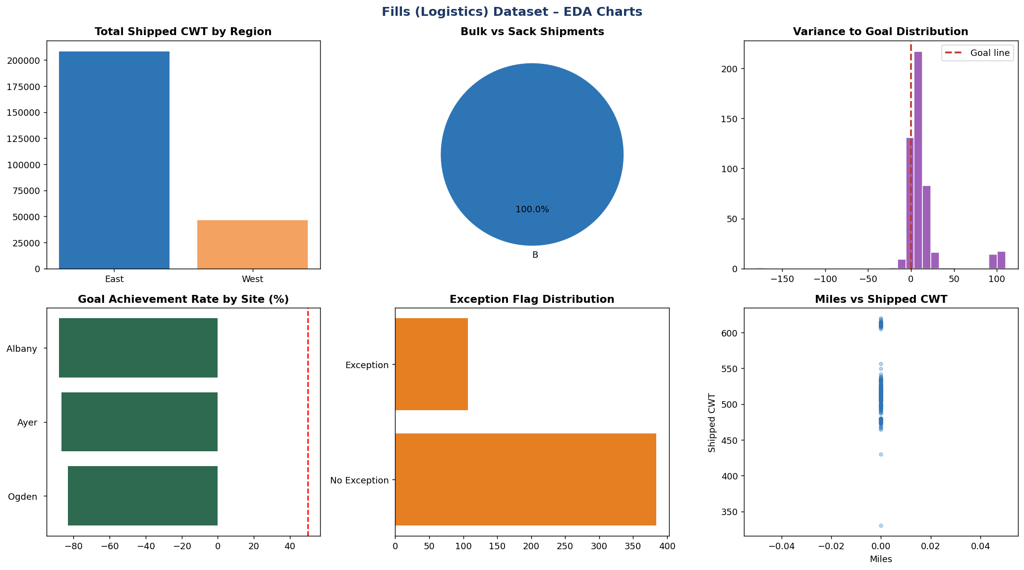
FILLS (LOGISTICS) DATASET – EXPLORATORY DATA ANALYSIS

📋 Column Definitions
Column | Data Type | Definition | Notes
Site_Name | Text | Site name (plain text, no hyphen ID) | Links to SITE_SHORT_NAME in others
OrderNumber | Integer | Unique order/fill number | Join to Sales ORDER_NO
ShipTo | Integer | Ship-to customer ID | Links to customer master
BulkOrSack | Text | Delivery type: Bulk or Sack | Key logistics segmentation
Miles | Integer | Distance shipped in miles | Logistics cost driver
Carrier_ID | Text | Carrier/freight company identifier | Vendor identifier
STCC_Code | Float | Standard Transportation Commodity Code | 491 nulls — fully missing
Drop_Ship | Text | Y/N drop shipment flag | Direct to customer vs. DC
Product | Integer | Product code | Links to Pack PRODUCT
Product_Desc | Text | Product description | Same as Pack PRODUCT_DESC
Vessel_ID | Integer | Vessel/container identifier | Used for bulk shipments
modifier | Text | Price/load modifier code | Adjustment factor
DeliveryNoteNo | Integer | Delivery note reference number | Shipping document ID
Load_Date | Date | Date cargo was loaded | Start of fulfillment
Ship_Date | Date | Date cargo was shipped | Matches Sales SHIP_DATE
Released_Date | Date | Date order was released for fulfillment | Pre-shipment trigger
Month | Integer | Month number (1-12) | Derived from Ship_Date
ShippedCwt | Float | Actual weight shipped in CWT | Key volume metric
SiteGoaL | Integer | Site-level shipping goal in CWT | Benchmark
SiteMax | Integer | Maximum site capacity in CWT | Upper constraint
MadeGoal | Integer | 1 if goal was met, 0 if not | Binary KPI
VAR_to_Goal | Float | Variance (actual - goal) | Negative = under-performed
VAR_to_Baseline | Float | Variance vs baseline CWT | Performance vs history
Exception_flag | Text | Exception reason or 'No Exception' | Quality flag
Region | Text | Geographic region | East, West, Central

❓ Missing Values Analysis
Column | Missing Count | Missing % | Impact
Site_Name | 0 | 0.0% | None
OrderNumber | 0 | 0.0% | None
ShipTo | 0 | 0.0% | None
BulkOrSack | 0 | 0.0% | None
Miles | 0 | 0.0% | None
Carrier_ID | 0 | 0.0% | None
STCC_Code | 491 | 100.0% | High
Drop_Ship | 0 | 0.0% | None
Product | 0 | 0.0% | None
Product_Desc | 0 | 0.0% | None
Vessel_ID | 0 | 0.0% | None
modifier | 0 | 0.0% | None
DeliveryNoteNo | 0 | 0.0% | None
Load_Date | 0 | 0.0% | None
Ship_Date | 0 | 0.0% | None
Released_Date | 0 | 0.0% | None
Month | 0 | 0.0% | None
Year_Month | 0 | 0.0% | None
Year_Week | 0 | 0.0% | None
CurrentWeek | 0 | 0.0% | None
SoldToName | 0 | 0.0% | None
ShipToName | 0 | 0.0% | None
ShipTo_CITY | 0 | 0.0% | None
ShipTo_STATE | 0 | 0.0% | None
ShipTo_ZIP | 0 | 0.0% | None
ShipTo_COUNTRY | 0 | 0.0% | None
ShippedCwt | 0 | 0.0% | None
Volume | 0 | 0.0% | None
SiteGoaL | 0 | 0.0% | None
SiteMax | 0 | 0.0% | None
exceptioncwts | 384 | 78.2% | High
Baseline | 0 | 0.0% | None
MaxForLoad | 0 | 0.0% | None
GoalForLoad | 0 | 0.0% | None
MadeGoal | 0 | 0.0% | None
VAR_to_Goal | 0 | 0.0% | None
VAR_to_Baseline | 0 | 0.0% | None
VAR_to_LoadMax | 0 | 0.0% | None
VAR_to_SiteMax | 0 | 0.0% | None
Excluded | 0 | 0.0% | None
ops_type | 0 | 0.0% | None
Exception_flag | 0 | 0.0% | None
Company | 0 | 0.0% | None
Region | 0 | 0.0% | None

📊 Statistical Summary – Fills
Column | Count | Mean | Std Dev | Min | Median | Max | IQR | Skewness | Outliers (IQR)
OrderNumber | 491 | 82382296.794 | 5968.514 | 82360380 | 82383365 | 82390545 | 6080 | -1.01 | 49
ShipTo | 491 | 1525266919.5 | 865797886.28 | 10056784 | 1500046552 | 2500076873 | 999995601 | -0.663 | 0
Miles | 491 | 0 | 0 | 0 | 0 | 0 | 0 | 0 | 0
Product | 491 | 5121586.827 | 16991.713 | 5100146 | 5118956 | 5166476 | 15447 | 1.43 | 50
Vessel_ID | 491 | 592585.253 | 174014.209 | 505046 | 509034 | 962094 | 5999 | 1.641 | 100
DeliveryNoteNo | 491 | 82382296.794 | 5968.514 | 82360380 | 82383365 | 82390545 | 6080 | -1.01 | 49
Month | 491 | 3 | 0 | 3 | 3 | 3 | 0 | 0 | 0
ShippedCwt | 491 | 518.316 | 28.942 | 330.2 | 515.5 | 620 | 11 | 1.262 | 79
Volume | 491 | 51.832 | 2.894 | 33.02 | 51.55 | 62 | 1.1 | 1.262 | 79
SiteGoaL | 491 | 510 | 0 | 510 | 510 | 510 | 0 | 0 | 0
SiteMax | 491 | 540 | 0 | 540 | 540 | 540 | 0 | 0 | 0
exceptioncwts | 107 | 486.449 | 17.711 | 400 | 500 | 500 | 30 | -1.428 | 1
Baseline | 491 | 492.165 | 10.987 | 400 | 500 | 500 | 19 | -2.231 | 1
MaxForLoad | 491 | 528.33 | 23.614 | 400 | 540 | 540 | 0 | -1.907 | 107
GoalForLoad | 491 | 504.868 | 12.751 | 400 | 510 | 510 | 0 | -3.241 | 107
MadeGoal | 491 | -0.866 | 0.341 | -1 | -1 | 0 | 0 | 2.15 | 66
VAR_to_Goal | 491 | 13.449 | 25.69 | -179.8 | 7.5 | 110 | 11 | 1.645 | 38
VAR_to_Baseline | 491 | 26.151 | 26.576 | -150.8 | 19 | 120 | 14.6 | 1.48 | 52
VAR_to_LoadMax | 491 | -10.014 | 28.105 | -209.8 | -20.5 | 80 | 28.5 | 0.824 | 32
VAR_to_SiteMax | 491 | -21.684 | 28.942 | -209.8 | -24.5 | 80 | 11 | 1.262 | 79

